Sheet1
Objective | To validate that users can successfully play a full game of Checkers, experiencing all the core functionalities such as making moves, winning and receiving appropriate game status updates.
Preconditions | The Checkers game application is installed and ready to run.
 | Two players are available to play the game (Player 1 as White and Player 2 as Black).
Test Steps
1. Launch the Game: | Start the Checkers game application.
 | Verify that the game loads successfully and the main menu is displayed.
2. Begin a New Game: | Select the option to start a new game.
 | Confirm that the game grid is displayed correctly with pieces places accordingly.
3. Player 1 (White) Makes the First Move: | Player 1 selects a white piece.
 | Ensure player cannot move on occupied cells.
 | Confirm piece is moved forward.
4. Player 2 (Black) Makes a Move: | Player 2 selects their own piece.
 | Confirm piece is moved forward.
5. Continue the Game: | Players continue to alternate turns, making moves.
 | Ensure player cannot move backwards.
 | Confirm that the game does not allow a player to play out of turn. | The system is designed in a way that only one player can make a move at a time.
 | Ensure players are able to attack and remove enemy pieces.

 | Ensure player cannot attack backwards unless a Super Piece
 | Ensure player turn doesn't end if there are more attacks possible after an attack.
 | Ensure piece turns into Super Piece when reaching opposite side of board.
 | Ensure Super Piece can move in any diagonal direction and in any length.
 | Ensure Super Piece is able to do long distance attacks

 | Ensure player always lands 1 cell over the attack
6. Game Reaches a Conclusion: | Continue playing until one player wins. | 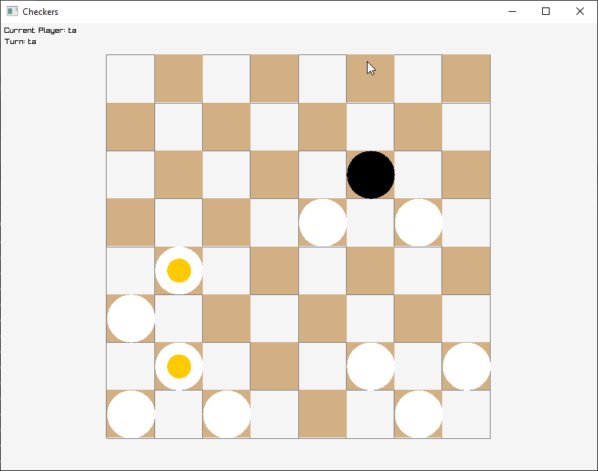 Attacking the final piece will achieve victory
 | For a win, ensure all opposite player's pieces are destroyed
7. Result Announcement: | Confirm that the game announces the winner correctly.
 | Ensure that the announcement is clearly visible and understandable.
8. End or Restart the Game: | Check if players are given an option to restart a new game or exit. | 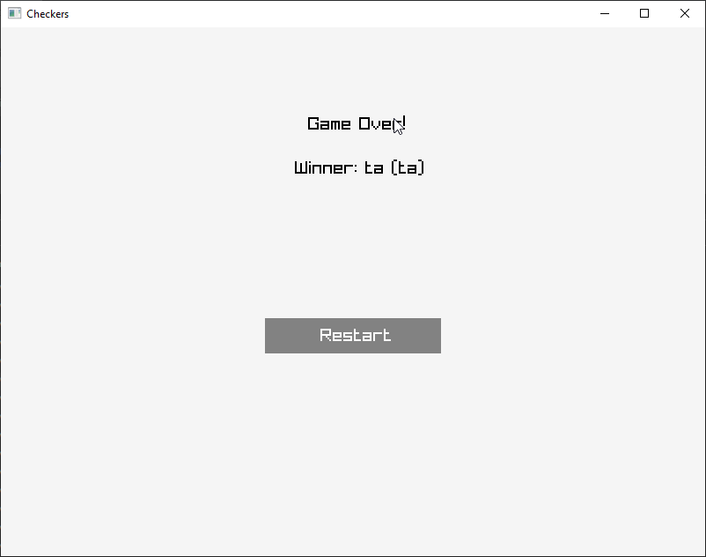 Players can hit the restart button to restart the game or the window 'x' button to close the game.

